UI Mockups
User Story Card - UI Mockup | NOTE: screen shots taken from Test Env as of 1/29/2020

1.Changing Billing Level process flow: Account level to Policy level
1) Account Details screen -> Billing Level Settings -> Modify

2) Changing Billing level to Policy-level billing -> 'Update' button

BUSINESS RULE:
When changing from Account-Level Billing to Policy-Level Billing on Change Billing Level screen when hit 'update' button (this is the trigger) validate if primary payer contact on Account Contact screen matches to any primary insured contact on Policy Contact screen on Name field.
A) if YES then mark that contact radio button to 'Yes' for Primary Payer field on Policy Contacts screen under Contact Info section (this should also reflect in contacts table at top of Policy Contact screen)
B) if NO generate an activity on the POLICY with following set to default:

Subject: Billing Level updated, please review Payer information
Description: Payer information differences exist between account and policy whenc hanging billing levels. Please review.
Priority = High
Due Date = 1 day after activity creation date
Escalation Date = 3 days after activity creation date
Assigned to = user who is updating the billing level during transaction that triggered this activity.

ACTIVITY PATTERN to use to create this activity:
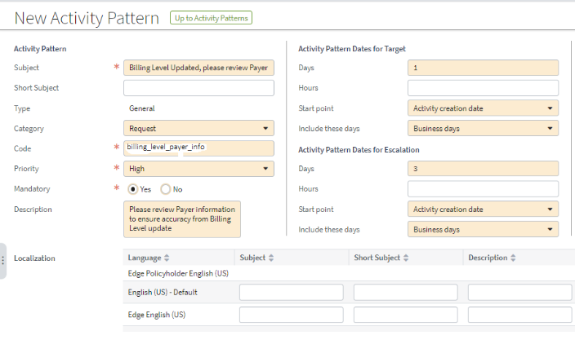

2.Changing Billing Level process flow: Policy level to Account level
1) Account Details screen -> Billing Level Settings -> Modify

2) Changing Billing level to Account level billing -> 'Update' button

BUSINESS RULE:
When changing from Policy-Level Billing to Account-Level Billing on Change Billing Level screen when hit 'update' button (this is the trigger) validate if ALL primary payers on all policies under selected account are the same on each policies Policy Contact screen.
A) if YES, all primary payers on all policies under selected accounts do match on name field THEN validate that there is a match on Name field to an already existing contact on Account Contact screens
1) if YES, mark that contact radio button to 'Yes' for Primary Payer field on Account Contacts screen under Contact Info section (this should also reflect in contacts table at top of Account Contact screen)
2) if NO then follow rules in previous story C4-8046 which prevents switching level of billing when payers are different.
B ) if NO, all primary payers on all policies under selected account ARE NOT the same by matching on name field then follow rules in previous story C4-8046 which prevents switching level of billing when payers are different.

UI Fields
User Story Card - UI Fields
Track the UI fields and related details for the screens included in the user story
Instructions: Complete the details on any OOTB fields that need modified, as well as any new fields.

Functional Details
Req # | Release | JIRA # | New, Modified | Label (Displays on UI) | Field (Data) Type | Control Type | Field Length | Typelist | Editable | Mandatory Field | Visible | State Availability | Default Value | Additional Requirements | Comments | LOB

Not Applicable

Typelists
User Story Card - Typelists
Track any new typelists and the associated typecodes included in the user story
Instructions: Complete this detail for any fields in the UI Fields tab that have Typelists.
For modified Typelists make sure to validate the full list of values in the Data Dictionary
*The order of column G - "Typelist Values", is the order the Typelist needs to display on the UI
Functional Details
Req # | Release | JIRA # | New, Modified | Name of Typelist | Typelist Values (Display name and Order) | Typelist Description | HIDE from UI | Notes/Comments | Conditions | LOB
Not Applicable

Integrations
User Story Card - Integration Reference
Track any integration related to this story
Instructions: Capture integration description and links to the High-Level Design document

Integration Reference
Name of Integration | Description | High level Details | Link to Document

Not Applicable

